CHG0055909
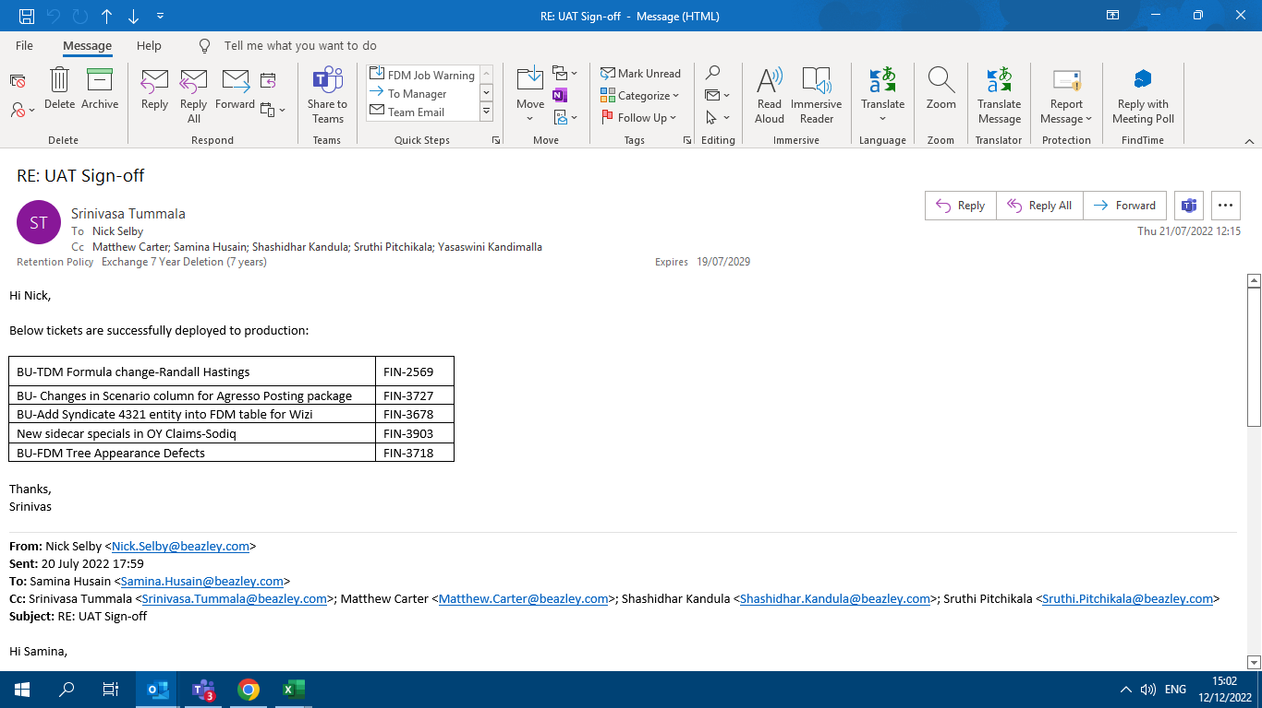
CHG0055909- FDM Release
UAT Sign-off email

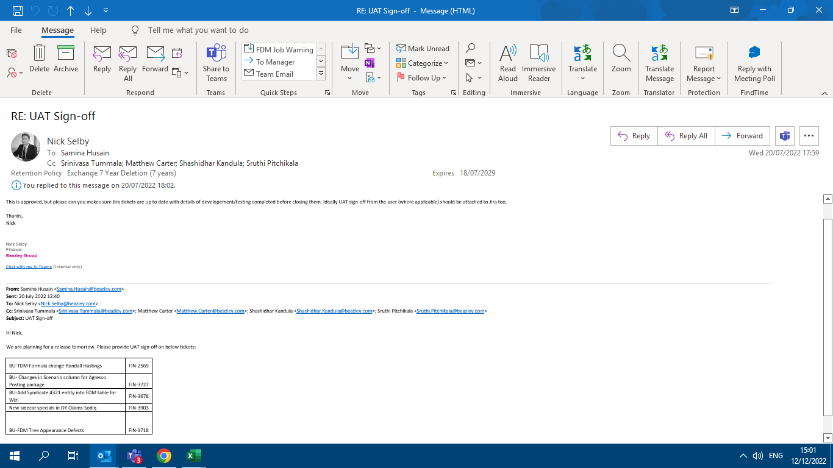

Implementation Email

CHG0056546
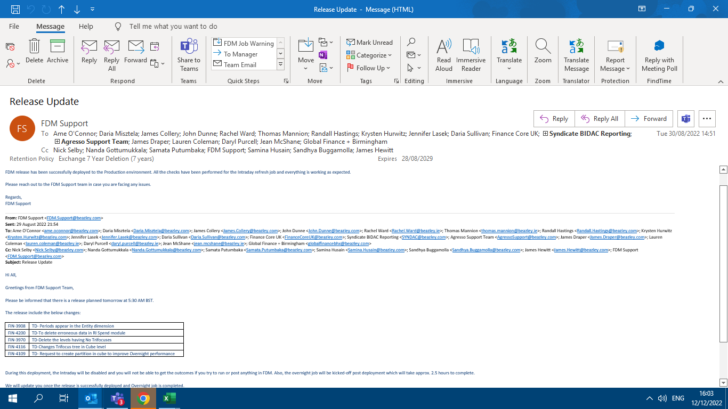
CHG0056546- FDM Release
UAT Sign-off

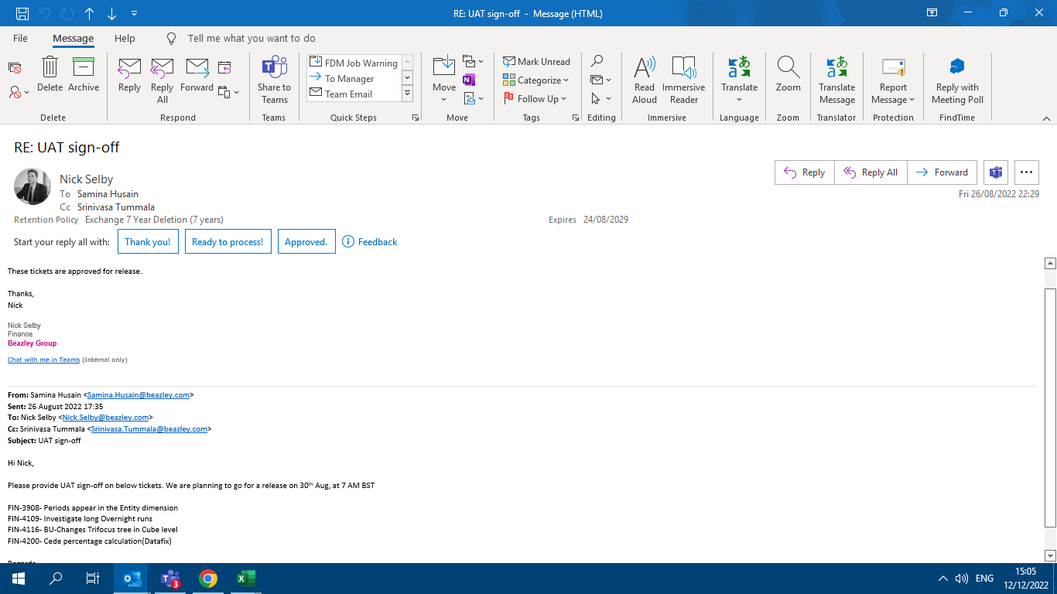

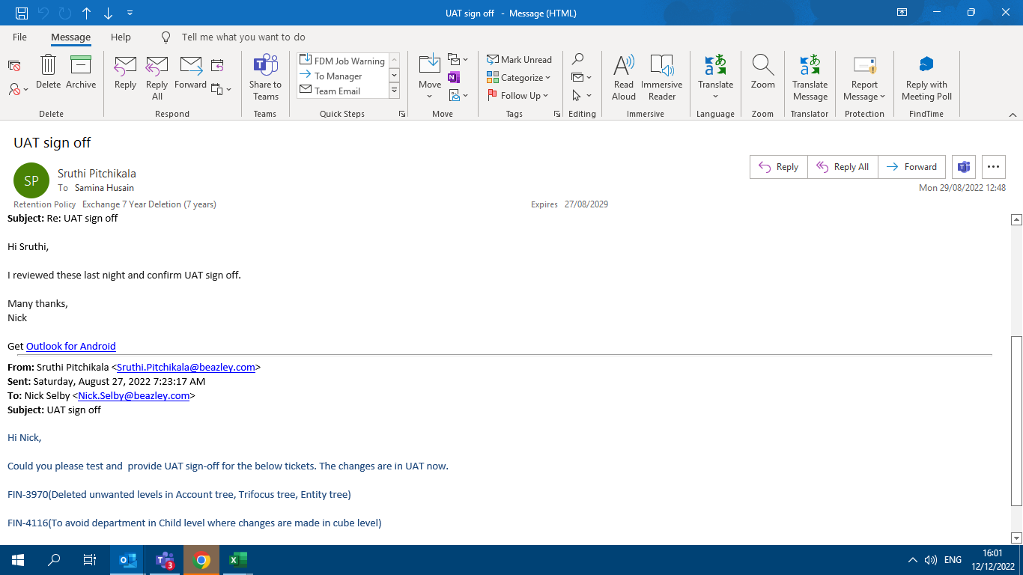

Implementation Email

CHG0056960
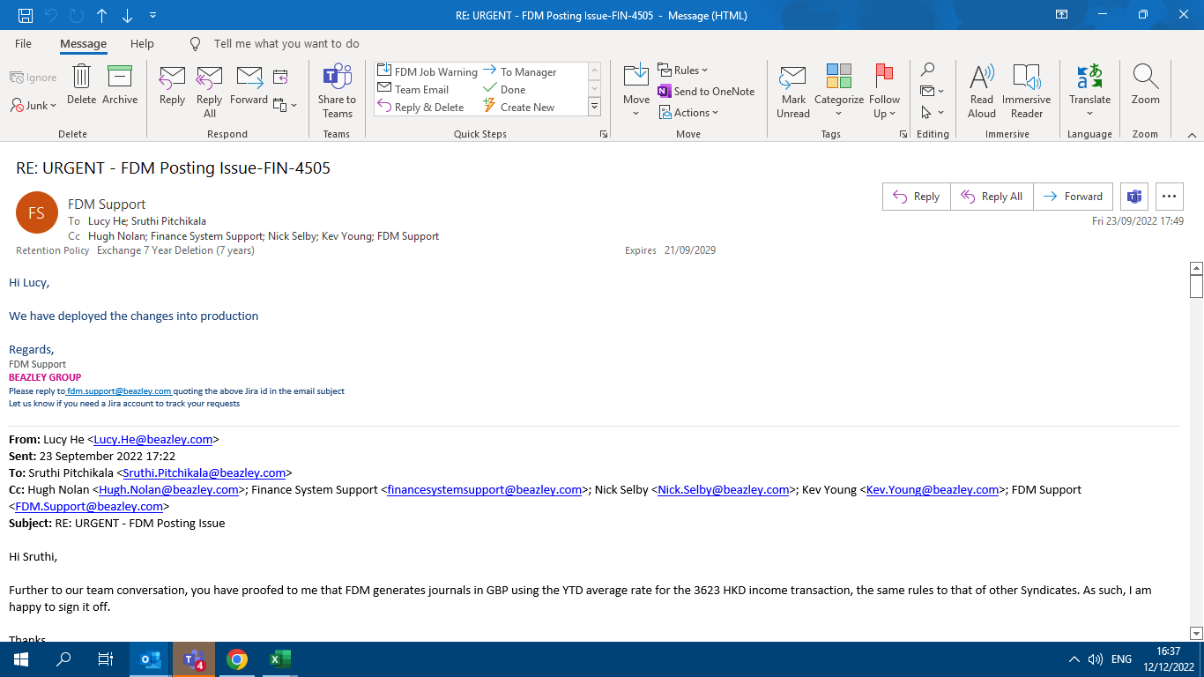
CHG0056960- FDM Datafix
Sign-off

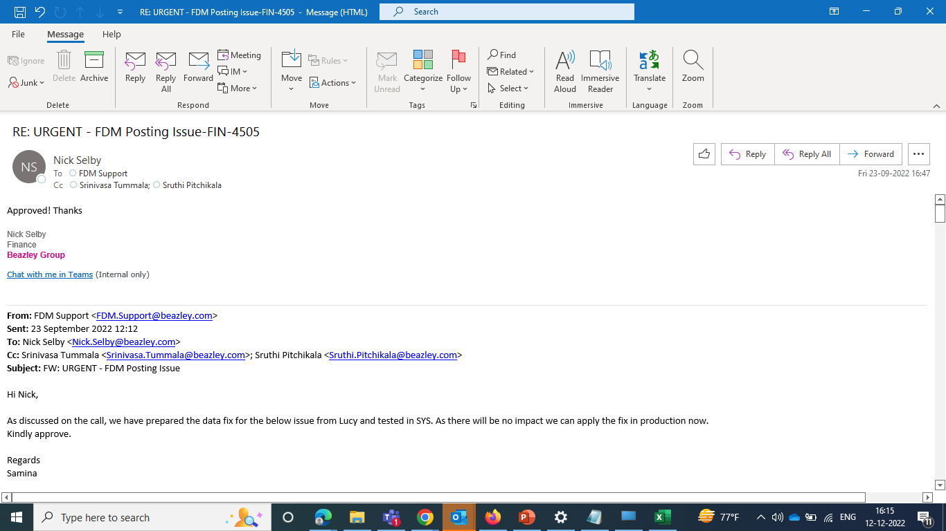

Implementation Email

